CONVERSE UK sizes
CONVERSE
PHOTOS | REF | DESCRIPTION | COLOUR | GENDER | SEASON | QTY | RETAIL | TOTAL | 2.5 | 3 | 3.5 | 4 | 4.5 | 5 | 5.5 | 6 | 6.5 | 7 | 7.5 | 8 | 8.5 | 9 | 9.5 | 10 | 10.5 | 11 | 11.5 | 12 | 13
 | A12325C | CHUCK TAYLOR ALL STAR XX-HI | BLACK/BLACK/BLACK | UNISEX | FW24 | 11,086 | 100.00 € | 1,108,600.00 € |  | 351 | 532 | 833 | 1,087 | 1,336 | 1,544 | 1,652 | 892 | 882 | 432 | 304 | 370 | 176 | 99 | 78 | 25 | 235 | 49 | 56 | 15
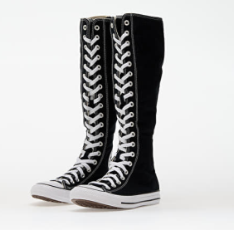 | A09429C | CHUCK TAYLOR ALL STAR XXHI | BLACK/NATURAL IVORY/WHITE | UNISEX | FW24 | 10,180 | 100.00 € | 1,018,000.00 € |  | 100 | 77 | 516 | 290 | 1,016 | 311 | 896 | 1,454 | 684 | 678 | 911 | 863 | 512 | 493 | 390 | 123 | 288 | 201 | 226 | 166
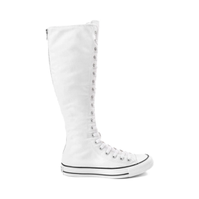 | A10456C | CHUCK TAYLOR ALL STAR XX-HI | WHITE/NATURAL IVORY/BLACK | UNISEX | SS25 | 8,722 | 100.00 € | 872,200.00 € |  | 157 | 200 | 403 | 630 | 552 | 793 | 391 | 1,144 | 526 | 550 | 639 | 702 | 335 | 405 | 322 | 126 | 433 | 164 | 168 | 82
 | A05347C | CHUCK 70 DE LUXE HEEL | BLACK/EGRET/EGRET | UNISEX | SS25 | 3,836 | 130.00 € | 498,680.00 € |  | 561 | 793 | 521 | 521 | 182 | 75 |  | 229 | 1 | 72 | 64 | 39 | 163 | 119 | 68 | 127 | 2
 | A05348C | CHUCK 70 DE LUXE HEEL | EGRET/EGRET/BLACK | UNISEX | SS25 | 3,630 | 130.00 € | 471,900.00 € |  | 514 | 405 | 13 | 262 |  | 1 |  | 685 |  | 114 | 165 | 40 | 270 | 283 | 122 | 189 | 93
 | A16571C | CHUCK TAYLOR ALL STAR LIFT XXHI PLATFORM | BLACK/BLACK/BLACK | WOMEN | SS25 | 2,996 | 110.00 € | 329,560.00 € |  | 348 | 679 | 222 | 305 | 396 | 44 | 427 | 51 | 239 | 109 | 137 | 23 | 16
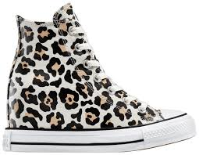 | A14938C | CHUCK TAYLOR ALL STAR WEDGE PLATFORM LEOPARD | EGRET/BLACK/COASTAL DUNE | WOMEN | SS25 | 2,998 | 95.00 € | 284,810.00 € |  | 141 | 215 | 349 | 435 | 152 | 1,057 | 312 |  | 215 | 122
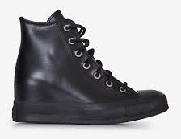 | A12827C | CHUCK TAYLOR ALL STAR WEDGE PLATFORM LEATHER | BLACK/BLACK/BLACK | WOMEN | FW24 | 1,931 | 95.00 € | 183,445.00 € |  |  |  |  |  |  | 666 | 570 | 113 | 425 | 125 |  | 32
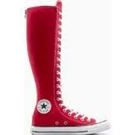 | A11893C | CHUCK TAYLOR ALL STAR XX-HI HIGH TOP | RED/WHITE/BLACK | WOMEN | SS25 | 1,729 | 100.00 € | 172,900.00 € |  |  |  |  |  |  |  |  |  | 10 | 218 | 266 | 153 | 305 | 252 | 153 | 145 | 95 | 76 | 46 | 10
 | A16411C | CHUCK 70 XXHI PIERCED | BLACK/EGRET/SILVER | UNISEX | FW25 | 1,347 | 140.00 € | 188,580.00 € |  | 8 | 35 | 39 | 107 | 225 | 280 | 275 | 103 | 150 | 68 | 34 | 14 | 9
 | A14873C | CHUCK TAYLOR ALL STAR XXHI BUCKLES | BLACK/WHITE/BLACK | UNISEX | SS25 | 1,279 | 110.00 € | 140,690.00 € |  | 51 |  | 191 |  | 314 |  | 384 |  | 254 |  | 85
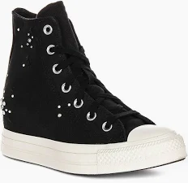 | A12514C | CHUCK TAYLOR ALL STAR WEDGE PLATFORM PEARLS & STUDS | TOTAL ECLIPSE/EGRET | WOMEN | FW24 | 1,085 | 90.00 € | 97,650.00 € |  |  |  |  | 33 |  | 472 | 347 |  | 213 | 20
 | A12821C | CHUCK 70 DE LUXE XXHI LEATHER & METAL | BLACK/BLACK/BLACK | UNISEX | FW24 | 1,062 | 150.00 € | 159,300.00 € |  | 127 | 298 | 203 | 85 | 129 |  | 154 |  |  |  |  |  | 16 | 12 | 13 | 21 | 4
 | A17685C | CHUCK TAYLOR ALL STAR LIFT | PARK RED/BLACK/VINTAGE WHITE | WOMEN | SS25 | 1,006 | 115.00 € | 115,690.00 € |  | 32 | 7 | 159 | 4 | 280 |  | 335 |  | 159 |  | 29 | 1
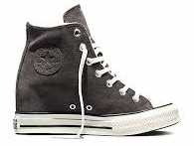 | A17978C | CHUCK TAYLOR ALL STAR WEDGE PLATFORM COZY SUEDE | MUDGUARD/EGRET/EGRET | WOMEN | FW25 | 932 | 100.00 € | 93,200.00 € |  | 37 | 62 | 48 | 73 | 114 | 154 | 132 | 67 | 56 | 31 | 28 | 31 | 18
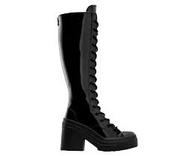 | A13856C | CHUCK 70 DE LUXE HEEL XXHI PLATFORM PATENT LEATHER | BLACK/BLACK/BLACK | UNISEX | FW24 | 861 | 160.00 € | 137,760.00 € |  | 48 | 90 | 48 | 99 | 48 | 85 | 62 | 49 | 20 | 54 | 45 | 53 | 39 | 48 | 27 | 29 | 17
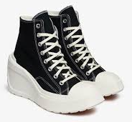 | A06478C | CHUCK 70 DE LUXE WEDGE | BLACK/BLACK/EGRET | WOMEN | SS23 | 677 | 130.00 € | 88,010.00 € |  | 395 | 281 |  |  |  | 1
 | A14714C | CHUCK 70 DE LUXE HEEL LOAFER PLATFORM LEATHER | BLACK/BLACK/BLACK | UNISEX | SS25 | 566 | 120.00 € | 67,920.00 € |  | 102 | 57 | 83 | 34 | 159 |  | 43 |  | 68 |  | 20
 | A12813C | CHUCK 70 DE LUXE HEEL PLATFORM PONY HAIR | WARM CLAY/EGRET/WARM CLAY | UNISEX | SS25 | 545 | 150.00 € | 81,750.00 € |  | 8 |  | 32 | 31 | 43 | 45 | 41 | 72 | 53 | 56 | 73 | 59 | 29 | 3
 | A15779C | CHUCK TAYLOR ALL STAR | BLACK/CHAOS FUCHSIA/MY JAM | WOMEN | SS25 | 494 | 110.00 € | 54,340.00 € |  |  |  |  |  |  |  |  |  | 12 | 161 | 136 | 43 | 86 | 56
 | A12567C | CHUCK 70 DE LUXE HEEL SANDAL PLATFORM | BLACK/WHITE/BLACK | UNISEX | SS25 | 458 | 110.00 € | 50,380.00 € |  | 84 | 98 | 55 | 64 | 40 | 44 | 6 | 23 | 3 | 15 | 4 | 3 | 3 | 2 | 2 | 6 | 6
 | A11892C | CHUCK TAYLOR ALL STAR XX-HI BUCKLE | WET STONE/EGRET/BLACK | WOMEN | SS25 | 420 | 110.00 € | 46,200.00 € |  |  |  |  |  |  |  |  | 9 |  | 47 | 70 | 28 | 81 | 65 | 48 | 25 | 17 | 20 | 10
 | A14707C | CHUCK TAYLOR ALL STAR LUGGED HEEL LOAFER PLATFORM LEATHER | BLACK/BLACK/BLACK | WOMEN | SS25 | 419 | 95.00 € | 39,805.00 € |  | 157 | 145 | 86 | 26 |  |  |  |  |  |  |  | 5
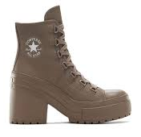 | A13064C | CHUCK 70 DE LUXE HEEL PLATFORM LEATHER | CLASSIC TAUPE/CLASSIC TAUPE | UNISEX | FW25 | 331 | 140.00 € | 46,340.00 € |  | 11 | 23 | 14 | 23 | 44 | 48 | 39 | 28 | 29 | 16 | 20 | 7 | 5 | 5 | 5 | 4 | 10
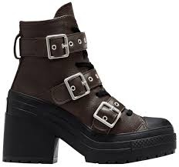 | A12209C | CHUCK 70 DE LUXE HEEL PLATFORM LEATHER & BUCKLES | FRESH BREW/BLACK/SILVER | UNISEX | FW24 | 312 | 140.00 € | 43,680.00 € |  | 74 | 116 | 122
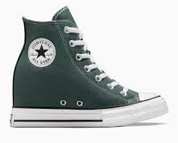 | A13841C | CHUCK TAYLOR ALL STAR WEDGE | TRUE NATURE/WHITE/BLACK | WOMEN | SS25 | 303 | 90.00 € | 27,270.00 € |  |  |  |  |  |  | 89 | 52 | 87 |  | 75
 | A15070C | CHUCK 70 DE LUXE HEEL MULE | LIGHT DUNE/EGRET/GOLD | WOMEN | SS25 | 297 | 115.00 € | 34,155.00 € |  | 1 |  |  |  |  |  |  |  |  |  | 1 | 7 |  |  | 2 | 2
 | A12762C | CHUCK TAYLOR ALL STAR XX-HI CRAFTED LACES | PLUM COVE/EGRET/BLACK | UNISEX | SS25 | 288 | 100.00 € | 28,800.00 € |  |  |  | 11 | 35 |  | 3 |  | 49 |  |  |  | 52 | 1 | 35 | 27 |  | 59 | 3 | 11 | 2
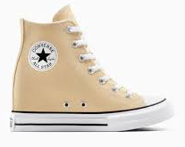 | A13531C | CHUCK TAYLOR ALL STAR WEDGE PLATFORM | COASTAL DUNE/WHITE/BLACK | WOMEN | SS25 | 277 | 90.00 € | 24,930.00 € |  |  |  | 25 |  | 20 | 87 |  | 129 |  | 16
 | A13833C | CHUCK 70 WEDGE PLATFORM SUEDE | WARM CLAY/EGRET/BLACK | WOMEN | SS25 | 277 | 115.00 € | 31,855.00 € |  | 21 |  |  |  | 78 |  | 120 |  | 50 | 2 | 3 | 3
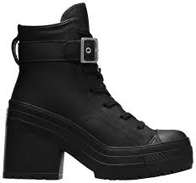 | A12208C | CHUCK 70 DE LUXE HEEL PLATFORM LEATHER | BLACK/BLACK/BLACK | UNISEX | FW24 | 271 | 140.00 € | 37,940.00 € |  | 60 | 105 | 106
 | A14802C | CONVERSE X ISABEL MARANT CHUCK 70 WEDGE | VANILLA ICE/RED/BLACK | WOMEN | SS25 | 241 | 150.00 € | 36,150.00 € |  | 16 | 19 | 20 | 20 | 25 | 39 | 43 | 13 | 19 | 7 | 4 | 6 | 10
 | A13796C | CHUCK 70 DE LUXE HEEL SANDAL PLATFORM | EGRET/EGRET/EGRET | UNISEX | SS25 | 226 | 110.00 € | 24,860.00 € |  | 89 | 72 | 65
 | A12561C | CHUCK 70 WEDGE PLATFORM LUXE PONY HAIR | BLACK/BLACK/EGRET | WOMEN | SS25 | 223 | 130.00 € | 28,990.00 € |  | 10 | 17 | 22 | 25 | 47 | 18 |  | 30 | 5 | 12 | 14 | 13 | 10
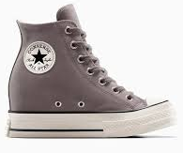 | A13834C | CHUCK 70 WEDGE PLATFORM SUEDE | TRAIL MIXED/EGRET/BLACK | WOMEN | SS25 | 223 | 115.00 € | 25,645.00 € |  |  |  |  | 6 | 64 | 1 | 134 | 3 | 15
 | A14715C | CHUCK 70 DE LUXE HEEL LOAFER PLATFORM LEATHER | DARK ROAST/DARK ROAST/BLACK | UNISEX | SS25 | 235 | 120.00 € | 28,200.00 € |  | 22 | 43 | 71 | 37 | 17 | 11 | 7 |  |  | 15 |  | 1 |  | 3 |  | 8
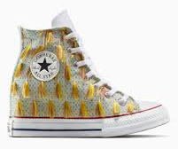 | A15460C | CHUCK TAYLOR ALL STAR WEDGE PLATFORM TASSELS | WHITE YELLOW TASSELS | WOMEN | SS25 | 211 | 140.00 € | 29,540.00 € |  | 18 | 16 | 23 | 34 | 32 | 10 | 20 | 18 | 5 | 10 | 9 | 11 | 5
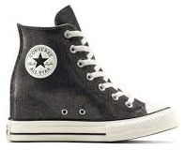 | A14568C | CHUCK TAYLOR ALL STAR WEDGE PLATFORM SPARKLE | BLACK/EGRET/BLACK | WOMEN | FW25 | 184 | 95.00 € | 17,480.00 € |  | 21 |  | 5 |  | 35 |  |  | 47 | 6 |  | 3 | 2 | 2
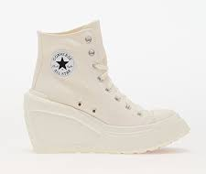 | A06479C | CHUCK 70 DE LUXE WEDGE | EGRET/BLACK/WHITE | WOMEN | SS23 | 182 | 130.00 € | 23,660.00 € |  | 110 | 72
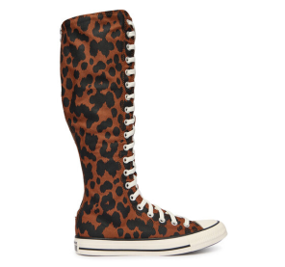 | A17881C | CHUCK TAYLOR ALL STAR XXHI CHEETAH | UNEARTHED/BLACK/EGRET | UNISEX | SS26 | 177 | 100.00 € | 17,700.00 € |  | 5 | 16 | 15 | 10 | 10 | 19 | 11 | 20 | 6 | 8 | 16 | 20 | 3 | 8 | 10
 | A12178C | CHUCK TAYLOR ALL STAR LUGGED FLATFORM SANDAL | BLACK/BLACK/BLACK | WOMEN | SS25 | 166 | 65.00 € | 10,790.00 € |  | 115 |  |  |  |  |  |  |  |  |  |  | 51
 | A13002C | CHUCK TAYLOR ALL STAR WEDGE PLATFORM | CLIFFSIDE ROSE/WHITE/BLACK | WOMEN | SS25 | 158 | 90.00 € | 14,220.00 € |  | 16 | 8 | 7 | 13 | 8 | 52 | 7 | 5 | 18 | 4 | 14 | 3 | 3
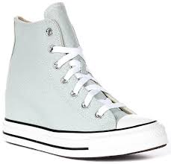 | A13532C | CHUCK TAYLOR ALL STAR WEDGE PLATFORM | YOU DEW YOU/WHITE/BLACK | WOMEN | SS25 | 152 | 90.00 € | 13,680.00 € |  | 2 | 3 |  |  | 18 | 58 |  | 70 | 1
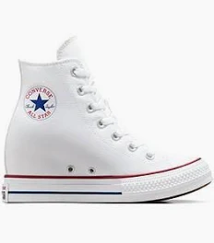 | A11908C | CHUCK TAYLOR ALL STAR WEDGE PLATFORM | WHITE/RED/NAVY | WOMEN | SS25 | 140 | 90.00 € | 12,600.00 € |  |  |  |  | 25 |  | 23 | 92
 | A14708C | CHUCK TAYLOR ALL STAR LUGGED HEEL LOAFER PLATFORM LEATHER | DEEP BORDEAUX/DEEP BORDEAUX | WOMEN | SS25 | 140 | 95.00 € | 13,300.00 € |  | 36 | 31 | 30 | 21 | 15 | 2 | 1 |  |  | 3 | 1
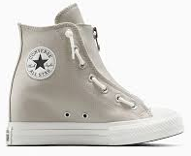 | A15216C | CHUCK TAYLOR ALL STAR WEDGE PLATFORM | PAPYRUS/EGRET/BLACK | WOMEN | SS25 | 95 | 95.00 € | 9,025.00 € |  |  |  |  |  |  |  |  | 49 |  |  | 25 |  | 21
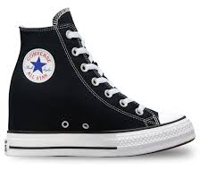 | A11909C | CHUCK TAYLOR ALL STAR WEDGE PLATFORM | BLACK/RED/NAVY | WOMEN | SS25 | 76 | 90.00 € | 6,840.00 € |  |  |  |  | 9 |  | 14 | 62
 | A12179C | CHUCK TAYLOR ALL STAR LUGGED FLATFORM SANDAL | EGRET/EGRET/EGRET | WOMEN | SS25 | 79 | 65.00 € | 5,135.00 € |  | 57 |  |  |  |  |  |  |  |  |  |  | 22
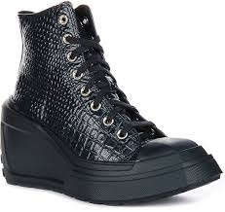 | A10037C | CHUCK 70 DE LUXE WEDGE PLATFORM LEATHER | INTO THE VOID/GOLD | WOMEN | FW24 | 78 | 140.00 € | 10,920.00 € |  | 72 | 6
 | A10616C | CHUCK TAYLOR ALL STAR LUGGED HEEL MARY JANE PLATFORM | BLACK/BLACK/GOLD | WOMEN | SS25 | 76 | 95.00 € | 7,220.00 € |  | 5 | 20 | 23 | 20 | 2 | 2 | 1 | 2 |  |  |  | 1
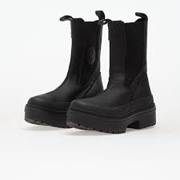 | A12985C | CHUCK TAYLOR ALL STAR LUGGED HEEL CHELSEA BOOT | BLACK/BLACK/BLACK | WOMEN | FW25 | 67 | 110.00 € | 7,370.00 € |  | 14 | 8 | 12 | 17 | 12 |  | 3 |  |  |  |  | 1
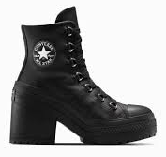 | A15514C | CHUCK 70 DE LUXE HEEL PLATFORM LEATHER | BLACK/SILVER/BLACK | UNISEX | FW25 | 65 | 140.00 € | 9,100.00 € |  | 27 | 23 | 9 |  | 2 |  | 2 |  |  |  |  | 1 |  |  |  |  | 1
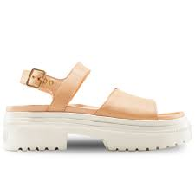 | A12190C | CONVERSE CHUCK TAYLOR ALL STAR LUGGED HEEL SANDAL | COASTAL DUNE/EGRET/LIGHT GOLD | WOMEN | SS25 | 64 | 75.00 € | 4,800.00 € |  | 44 |  |  |  |  |  |  |  |  |  |  | 20
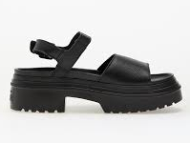 | A12189C | CHUCK TAYLOR ALL STAR LUGGED HEEL SANDAL | BLACK/BLACK/BLACK | WOMEN | SS25 | 60 | 75.00 € | 4,500.00 € |  | 54 |  |  |  |  |  |  |  |  |  |  | 6
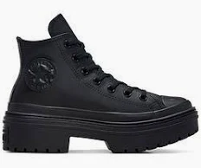 | A10369C | CHUCK TAYLOR ALL STAR LUGGED HEEL LEATHER PLATFORM | BLACK/BLACK/BLACK | WOMEN | SS25 | 48 | 100.00 € | 4,800.00 € |  | 14 |  | 15 |  | 19
 | A15075C | CHUCK TAYLOR ALL STAR LUGGED HEEL SANDAL | BLACK/BLACK/EGRET | WOMEN | SS25 | 48 | 75.00 € | 3,600.00 € |  | 32 |  |  |  |  |  |  |  |  |  |  | 16
 | A15077C | CHUCK TAYLOR ALL STAR FLATFORM SANDAL | BARELY GREY/BARELY GREY | WOMEN | SS25 | 45 | 65.00 € | 2,925.00 € |  | 21 |  |  |  |  |  |  |  |  |  |  | 24
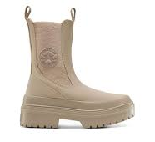 | A14544C | CHUCK TAYLOR ALL STAR LUGGED HEEL CHELSEA BOOT SUEDE | VINTAGE CARGO/VINTAGE CARGO | WOMEN | FW25 | 36 | 110.00 € | 3,960.00 € |  | 8 | 2 | 3 | 6 | 2 | 2 | 7 |  | 4 |  |  | 1 | 1
 | A15071C | CHUCK 70 DE LUXE HEEL MULE | CLASSIC TAUPE/EGRET/GOLD | WOMEN | SS25 | 33 | 115.00 € | 3,795.00 € |  | 22 |  |  |  |  |  |  |  |  |  |  |  |  | 3 |  | 2 | 6
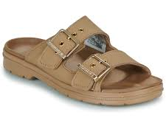 | A15076C | CHUCK TAYLOR ALL STAR FLATFORM SANDAL | PAPYRUS/PAPYRUS/PAPYRUS | WOMEN | SS25 | 25 | 65.00 € | 1,625.00 € |  | 19 |  |  |  |  |  |  |  |  |  |  | 6
 | A12707C | CONVERSE WEAPON PONY HAIR | BLACK/BROWN/TAN | UNISEX | SS25 | 23 | 125.00 € | 2,875.00 € | 3 | 1 | 3 | 1 | 6 |  |  |  | 1 |  |  |  |  |  | 5 | 1 |  | 2
 | A12180C | CHUCK TAYLOR ALL STAR LUGGED FLATFORM SANDAL | SAND DUNE/SAND DUNE/SAND DUNE | WOMEN | SS25 | 14 | 65.00 € | 910.00 € |  |  |  |  |  |  |  |  |  |  |  |  | 14
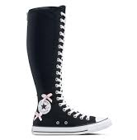 | A17684C | CHUCK TAYLOR ALL STAR XXHI BOWS & STUDS | BLACK/PINK FROSTING/EGRET | UNISEX | FW25 | 153 | 110.00 € | 16,830.00 € |  |  | 10 |  | 9 | 10 |  |  | 4 | 6 | 9 | 13 | 5 | 8 | 14 | 8 | 10 | 11 | 12 | 12 | 12
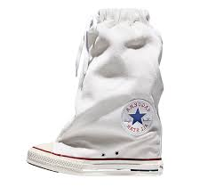 | A17686C | CONVERSE X VAQUERA CHUCK TAYLOR ALL STAR XHI SLOUCH WEDGE | WHITE/BLACK/EGRET | WOMEN | FW25 | 10 | 180.00 € | 1,800.00 € |  |  |  |  | 2 | 1 | 3 |  | 3 |  |  |  |  | 1
TOTAL CONVERSE |  |  |  |  |  | 64,368 | 108.46 € | 6,981,185.00 € | 3 | 4,238 | 4,587 | 4,400 | 4,404 | 5,447 | 6,053 | 6,628 | 5,449 | 4,134 | 3,049 | 3,133 | 2,752 | 2,128 | 1,910 | 1,276 | 842 | 1,279 | 525 | 529 | 287

